Sheet1
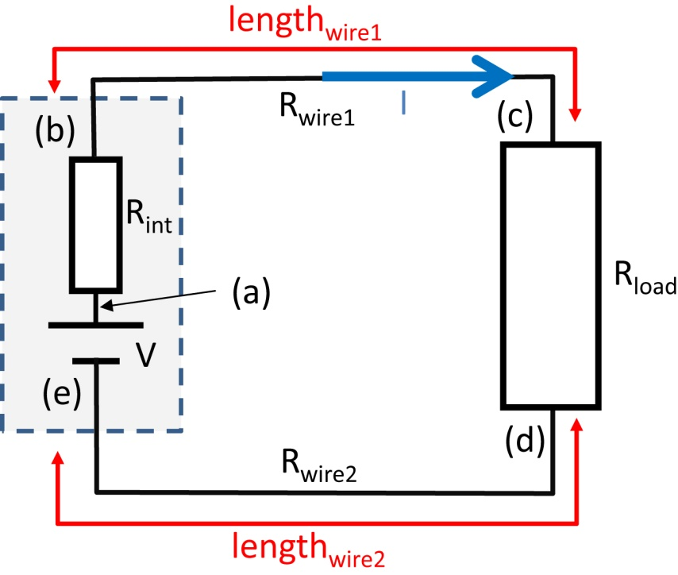
lengthwire1 | 38cm | Rwire1 | 114Ω
lengthwire2 | 42cm | Rwire2 | 126Ω
Resistivity of wire | 3Ω/cm | RTOTAL | 1088Ω
Rload | 748Ω | Current, I | 1.10E-02A
Voltage Source V | 12V
Rint of Voltage Source | 100Ω

This simple simulation shows the voltage drops around a circuit with real wires, that have
nonzero length and resistance. The effect of the internal impedance of the voltage source
is also included. Try changing the relative values of the load resistor, the internal impedace
of the source and the length and/or resistivity of the wires and make sure that you understand
why the voltage drops the way it does around the circuit. Also - have a look at the power
figures on the right, in the yellow box. Remember what Professor Wallace taught you?
Voltage around a circuit, including the effect of wire resistance and the internal impedance of the voltage source
 |  |  | (b) |  | (a) |  | (c) |  | (d) |  | (e) |  | (a)
0cm | 12.00V | 2cm | 0.00V | 0cm | 0.00V | 40cm | 0.00V | 42cm | 0.00V | 84cm | 0.00V | 86cm | 0.00V | 86cm | 12.00V
2cm | 10.90V | 2cm | 12.00V | 0cm | 12.00V | 40cm | 12.00V | 42cm | 12.00V | 84cm | 12.00V | 86cm | 12.00V | 0cm | 12.00V
40cm | 9.64V
42cm | 1.39V
84cm | 0.00V
86cm | 12.00V
 |  |  |  | Power delivered by Power supply | 0.132353W
 |  |  |  | Power lost in Rint | 0.012165W
 |  |  |  | Power lost in wires | 0.029196W
 |  |  |  | Power delivered to Rload | 0.090993W
 |  |  |  | Power delivered-losses | 0.000000W

Sheet2
 | x | V | Size of resistor
a | 0 | 12.00V | 2cm
b | 2cm | 10.90V | Current, I
c | 40cm | 9.64V | 1.10E-02A
d | 42cm | 1.39V
e | 84cm | 0.00V
a | 86cm | 12.00V

(a) | 0cm | 0.00V
 | 0cm | 12.00V
(b) | 2cm | 0.00V
 | 2cm | 12.00V
(c) | 40cm | 0
 | 40cm | 12.00V
(d) | 42cm | 0
 | 42cm | 12.00V
(e) | 84cm | 0
 | 84cm | 12.00V
(a) | 86cm | 0
 | 86cm | 12.00V
Vsup | 0cm | 12.00V
 | 86cm | 12.00V

