Sheet2
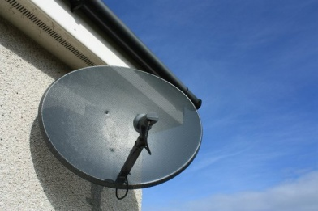
Propagation of a pulse along a transmission line with adjustable dispersion (ie losses)
 | 15

 |  | 0

-30 | 8.0120823118E-53
-29 | 2.2484767501E-52
-28 | 6.2810929084E-52
-27 | 1.7465694161E-51
-26 | 4.8343746286E-51
-25 | 1.3319826576E-50
-24 | 3.6530923905E-50
-23 | 9.9730169973E-50
-22 | 2.7101684157E-49
-21 | 7.3311113779E-49
-20 | 1.9740001113E-48
-19 | 5.2908852852E-48
-18 | 1.4116054793E-47
-17 | 3.7488852116E-47
-16 | 9.910481783E-47
-15 | 2.6079016534E-46
-14 | 6.8311129956E-46
-13 | 1.7811297025E-45
-12 | 4.622782285E-45
-11 | 1.1943047291E-44
-10 | 3.0713596964E-44
-9 | 7.8623075367E-44
-8 | 2.0034254718E-43
-7 | 5.0815964416E-43
-6 | 1.2830127459E-42
-5 | 3.2245237995E-42
-4 | 8.0668507154E-42
-3 | 2.0088442702E-41
-2 | 4.979575697E-41
-1 | 1.2286897183E-40
0 | 3.0178380284E-40
1 | 7.3782513681E-40
2 | 1.7956214494E-39
3 | 4.349906675E-39
4 | 1.048935809E-38
5 | 2.5178027378E-38
6 | 6.0158681397E-38
7 | 1.4307993459E-37
8 | 3.3873726348E-37
9 | 7.9827225287E-37
10 | 1.8725909081E-36
11 | 4.3725884612E-36
12 | 1.0163378875E-35
13 | 2.3514808397E-35
14 | 5.4156250755E-35
15 | 1.2415366771E-34
16 | 2.8331810917E-34
17 | 6.4356576427E-34
18 | 1.455175414E-33
19 | 3.2752283265E-33
...

 |  | Time (t)

 |  | Losses → Dispersion

